V69
Picture | Product Name | UPC | Inventory | Case Pack Qty | Wholesale price | MSRP (Retail) | Weight | Photos of the product | Weblink for the products | Reviews | Comps Saks Off 5th
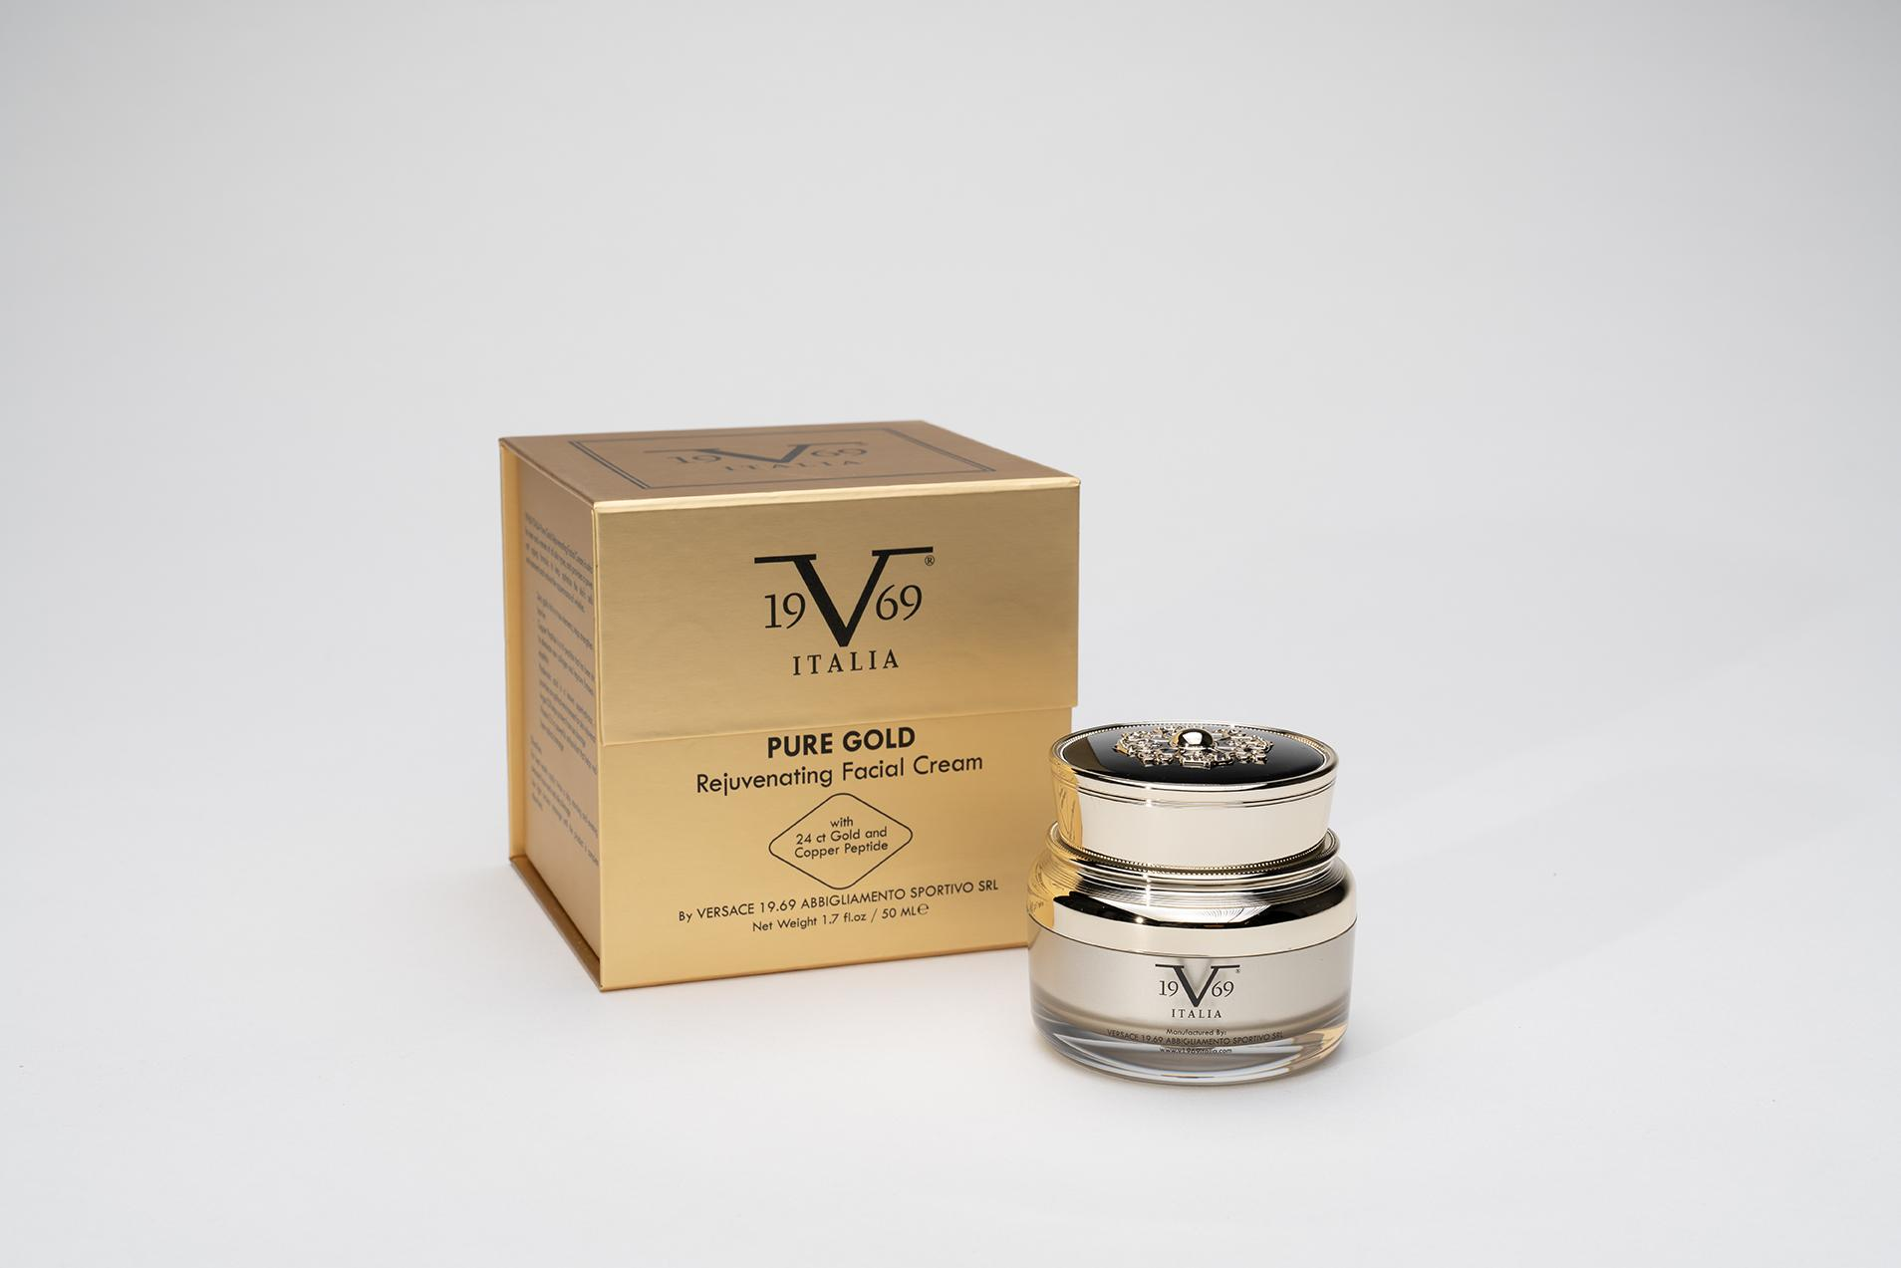 | V1969 by Versace Pure Gold: Rejuvenating Facial Cream | 8057593096172 | 4511 | 9 | $38.00 | $179.00 | 332 gr | 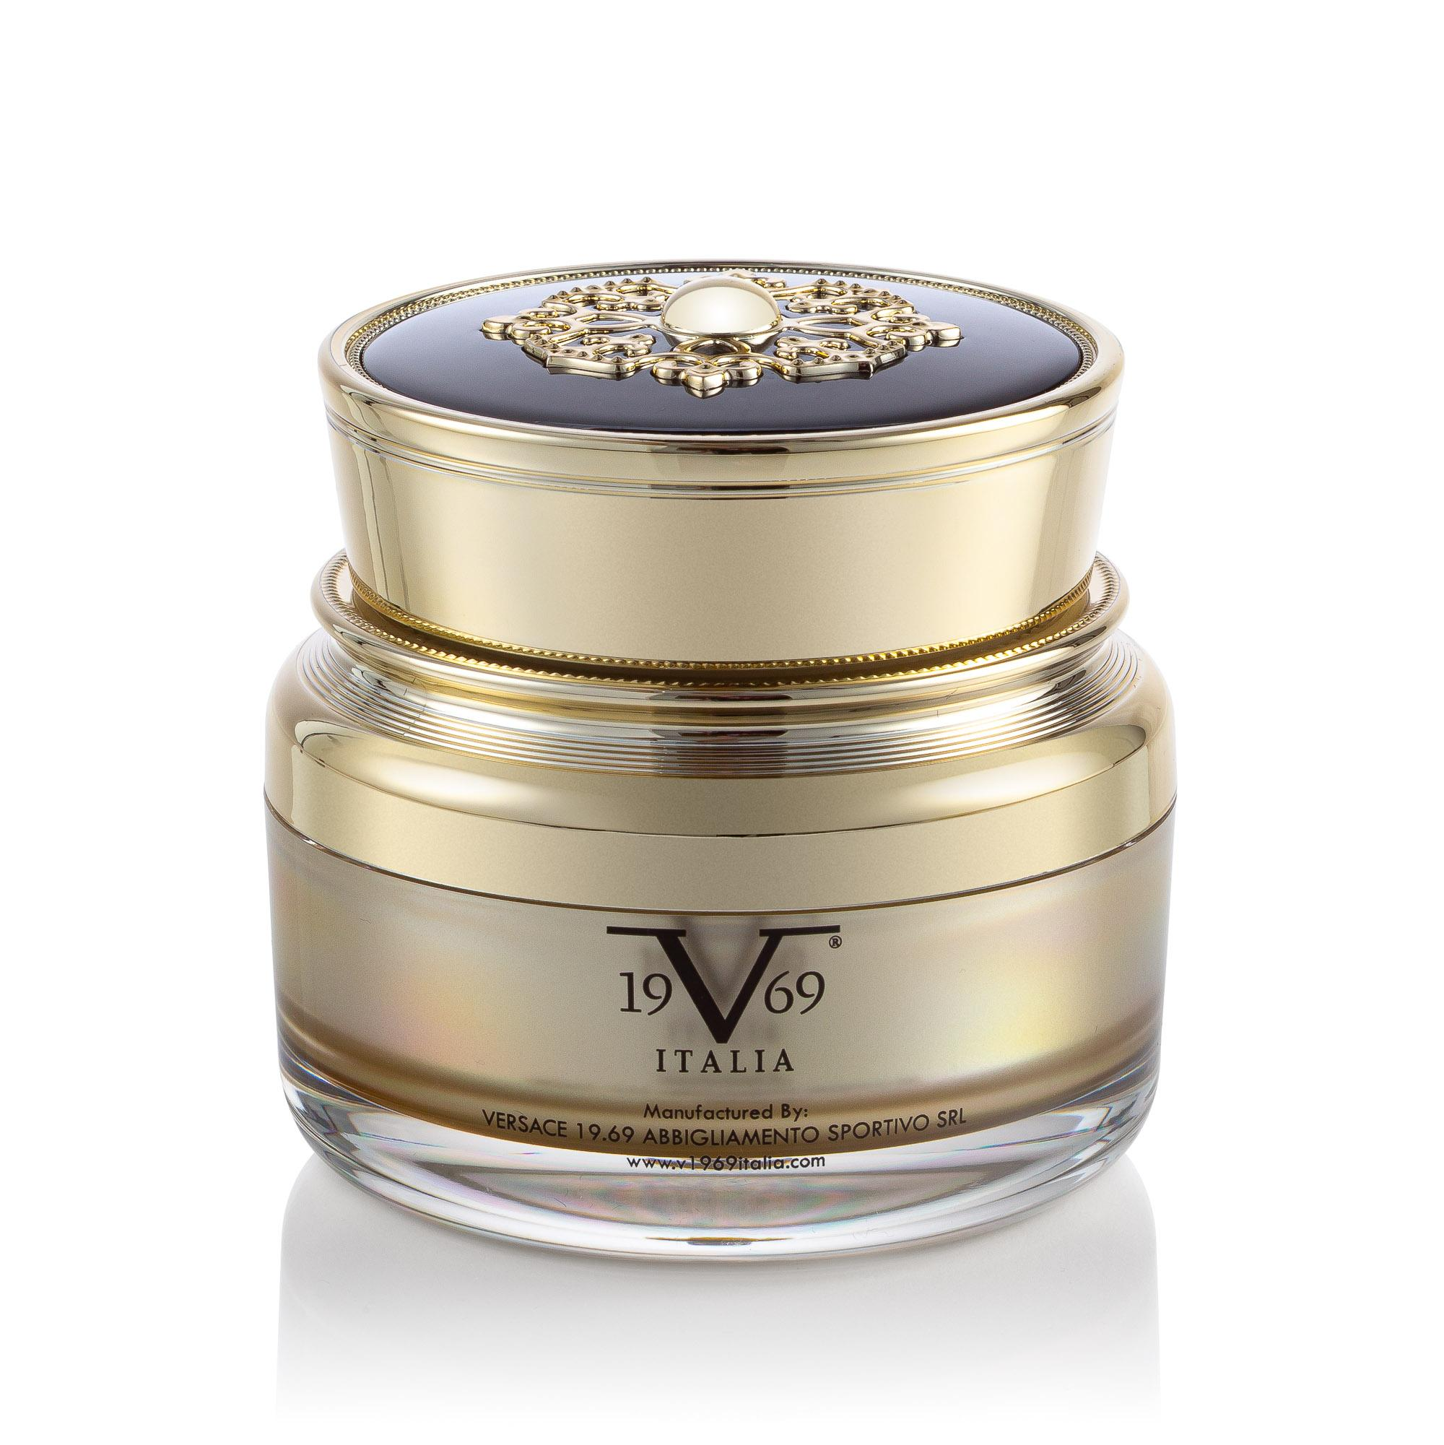 | https://v69italia.com/products/pure-gold-rejuvenating-facial-cream | https://v69italia.com/products/pure-gold-rejuvenating-facial-cream | https://www.saksoff5th.com/product/19v69-italia-pure-gold-rejuvenating-facial-cream-0400021526113.html
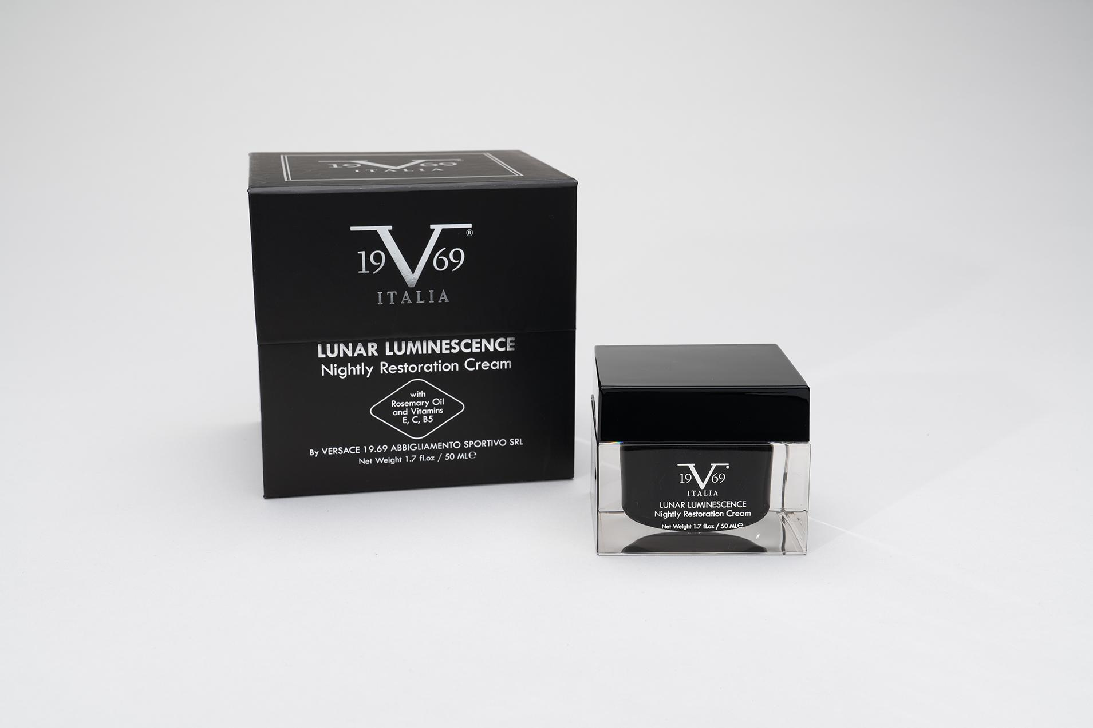 | V1969 by Versace Lunar Luminescence: Nightly Restoration Cream | 8057593096202 | 4693 | 9 | $38.00 | $179.00 | 406 gr | 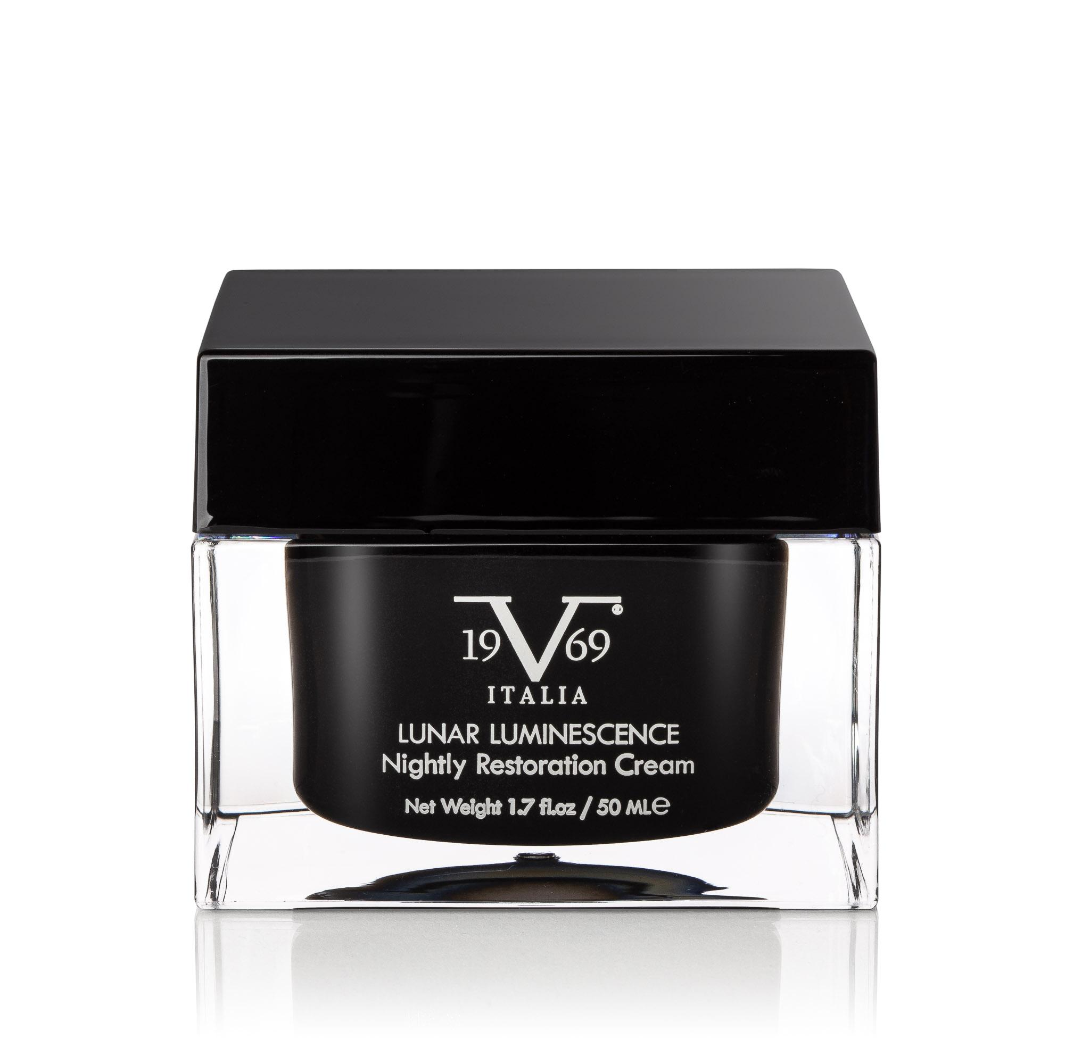 | https://v69italia.com/products/lunar-luminescence-nightly-restoration-cream | https://v69italia.com/products/lunar-luminescence-nightly-restoration-cream | https://www.saksoff5th.com/product/19v69-italia-lunar-luminescence-nightly-restoration-cream-0400021526111.html
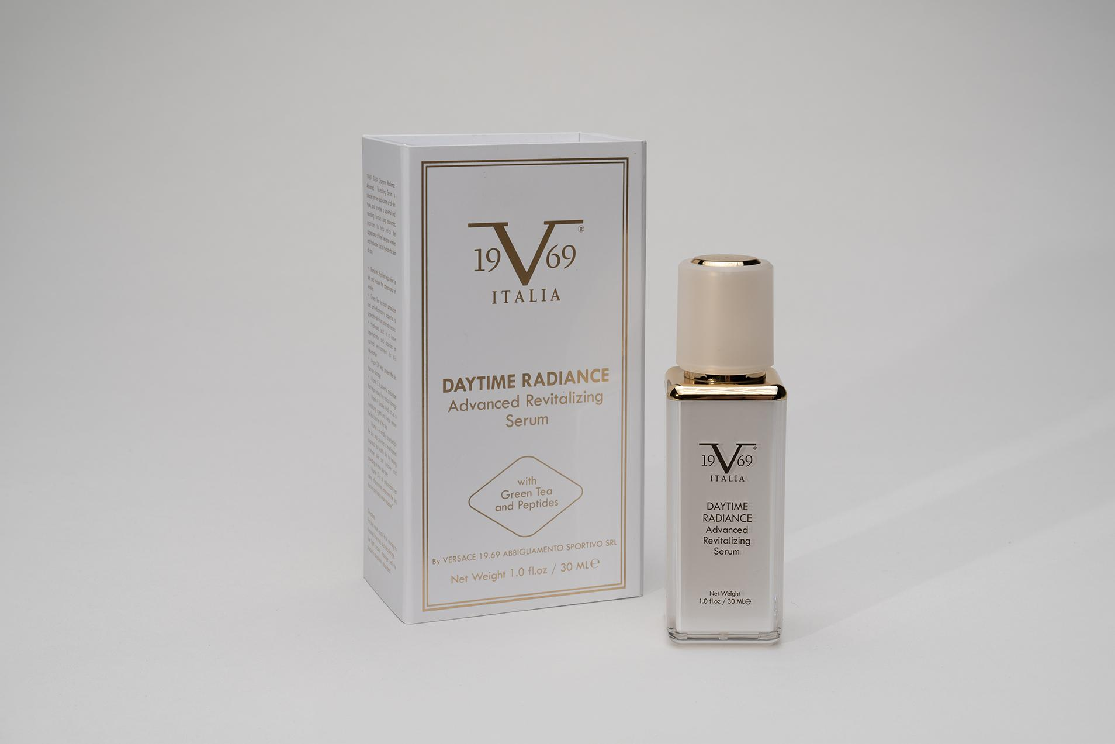 | V1969 by Versace Daytime Radiance: Advanced Revitalizing Serum | 8057593096179 | 4576 | 10 | $35.00 | $149.00 | 262 gr | 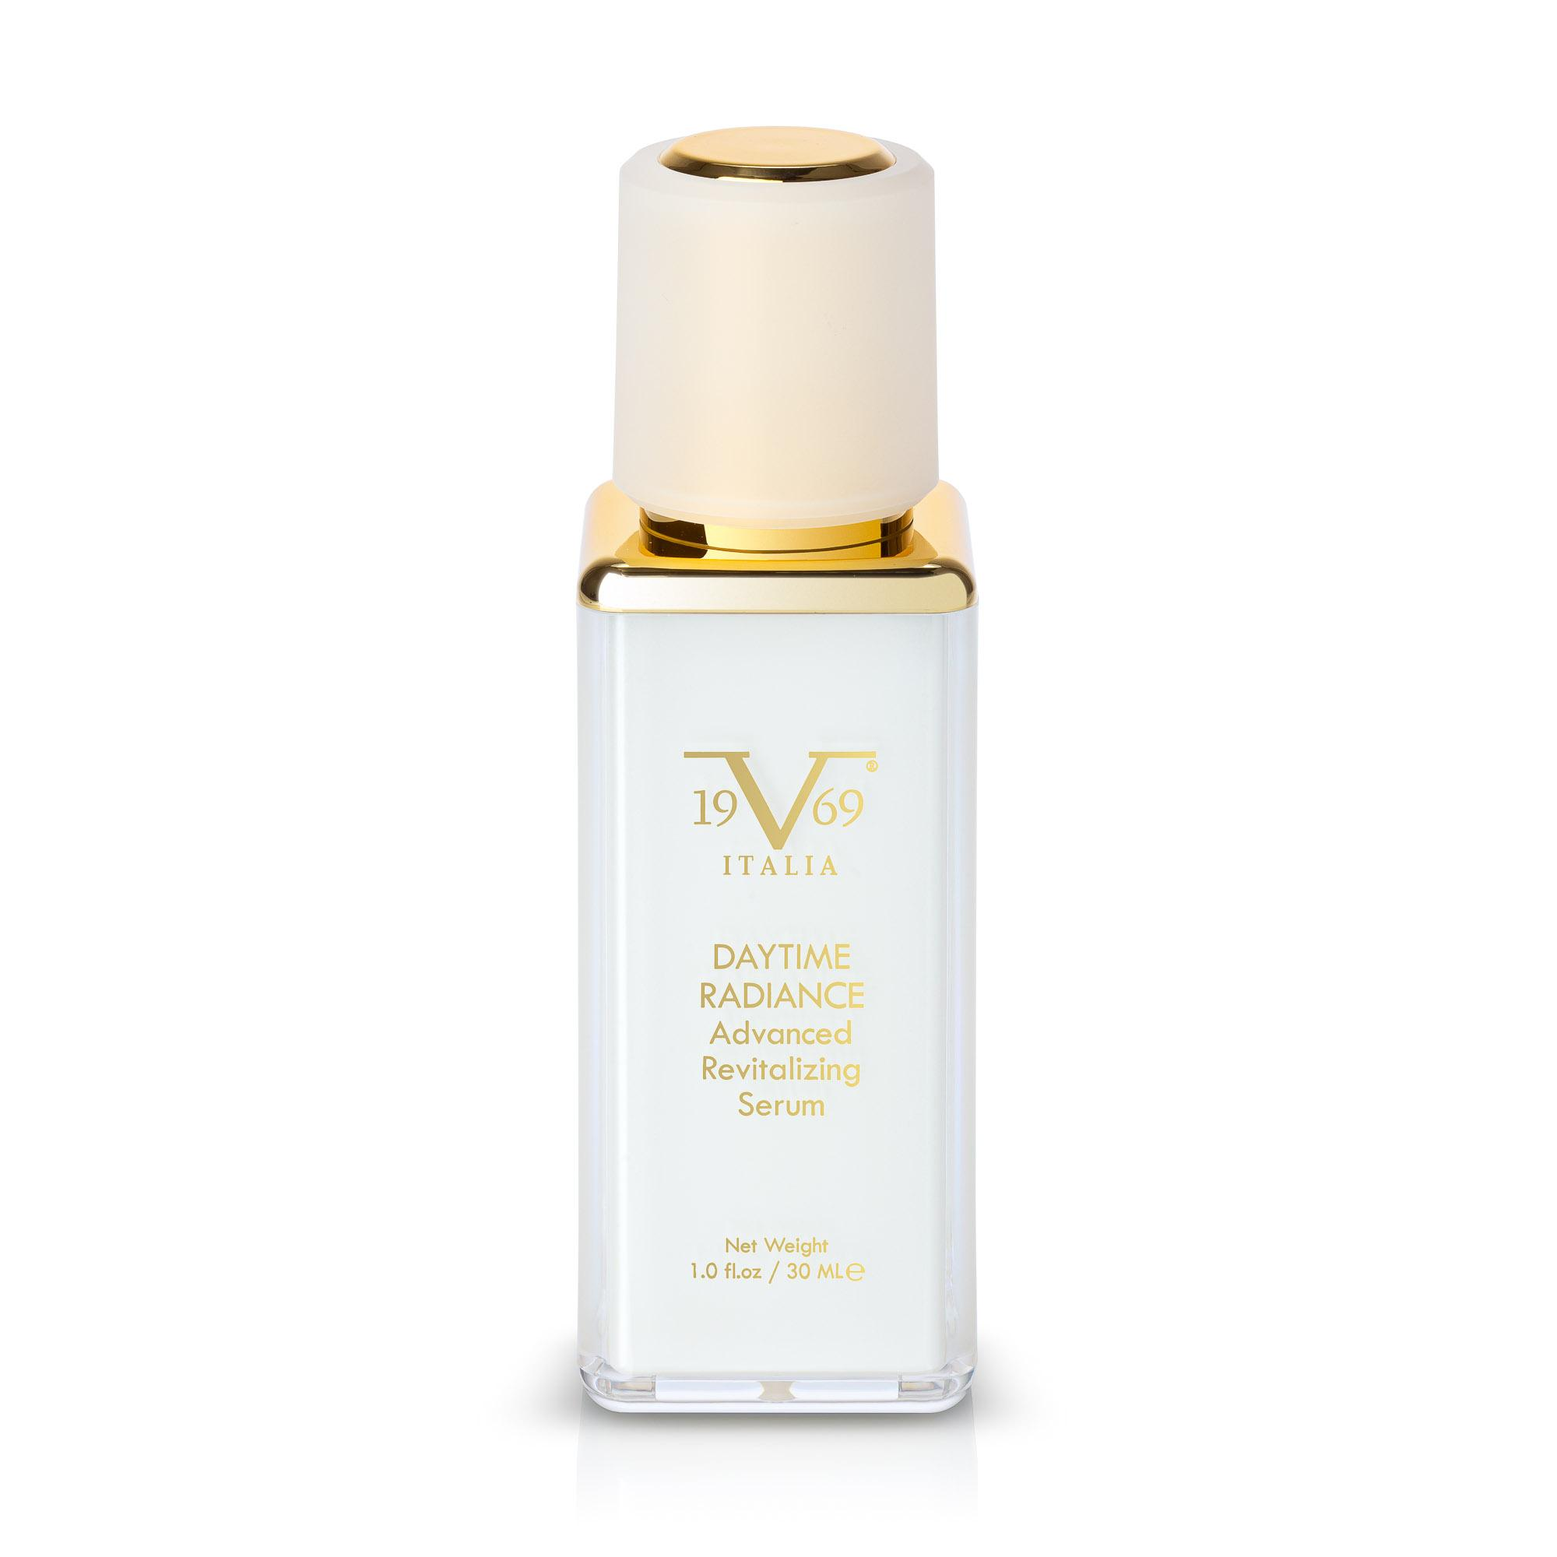 | https://v69italia.com/products/daytime-radiance-advance-revitalizing-serum | https://v69italia.com/products/daytime-radiance-advance-revitalizing-serum | https://www.saksoff5th.com/product/19v69-italia-daytime-radiance-advanced-revitalizing-facial-serum-0400021526107.html
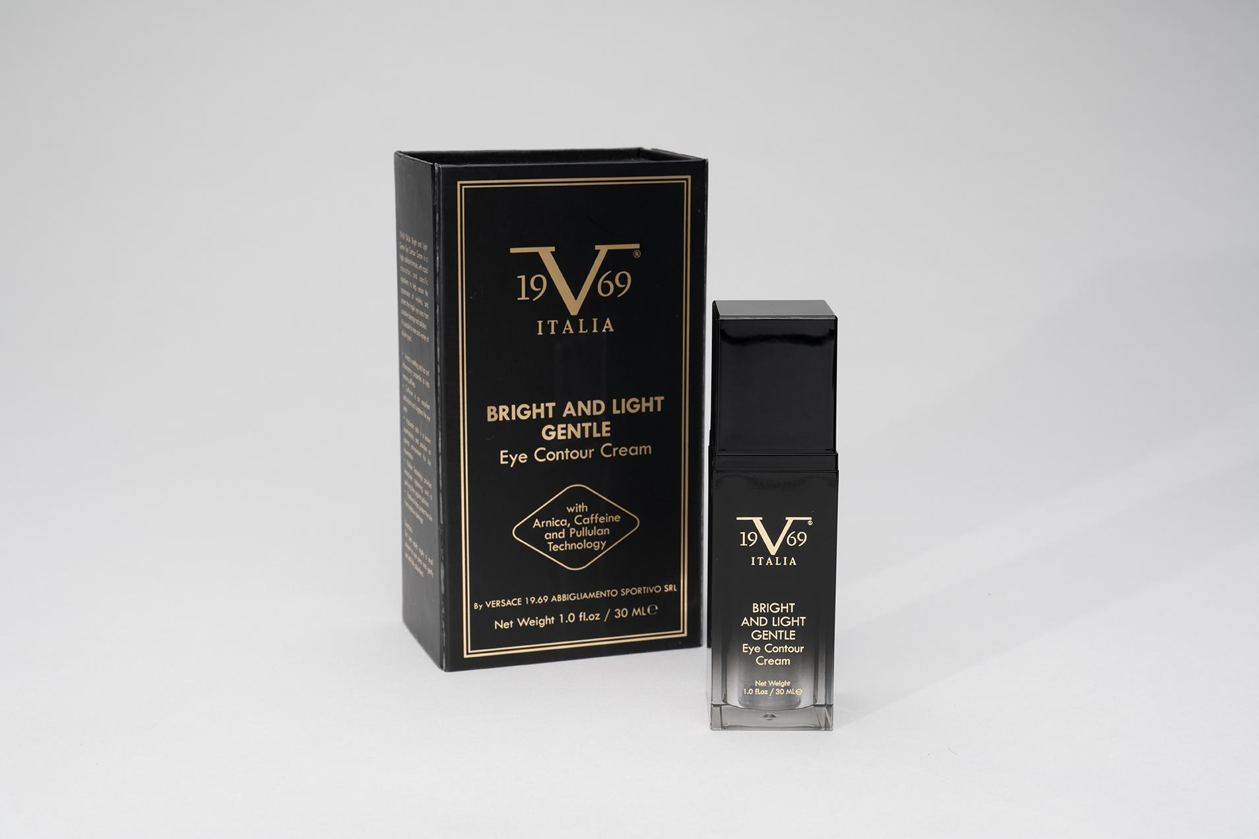 | V1969 by Versace Bright And Light Gentle: Eye Contour Cream | 8057593096196 | 4860 | 10 | $35.00 | $149.00 | 264 gr | 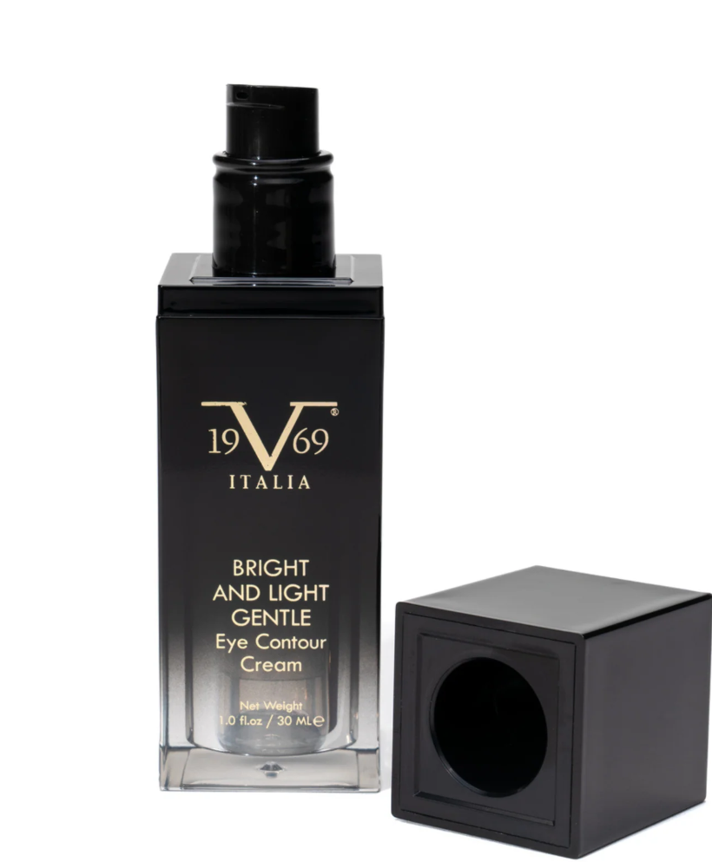 | https://v69italia.com/products/bright-and-light-gentle-eye-contour-cream | https://v69italia.com/products/bright-and-light-gentle-eye-contour-cream | https://www.saksoff5th.com/product/19v69-italia-bright--amp--light-gentle-eye-contour-cream-0400021526115.html
 |  |  | 18640

